Wk 11 Dupont Breakdown 1.0
Your Name: | Tiffany Gwyneth Tiono
Company Name and Ticker: | Colgate Palmolive Company & CL |  |  | Note: There are four tabs for Week 11

 | Use the information from Week 5 tabs. Excel shortcut: ALT + W + N (Second window view)

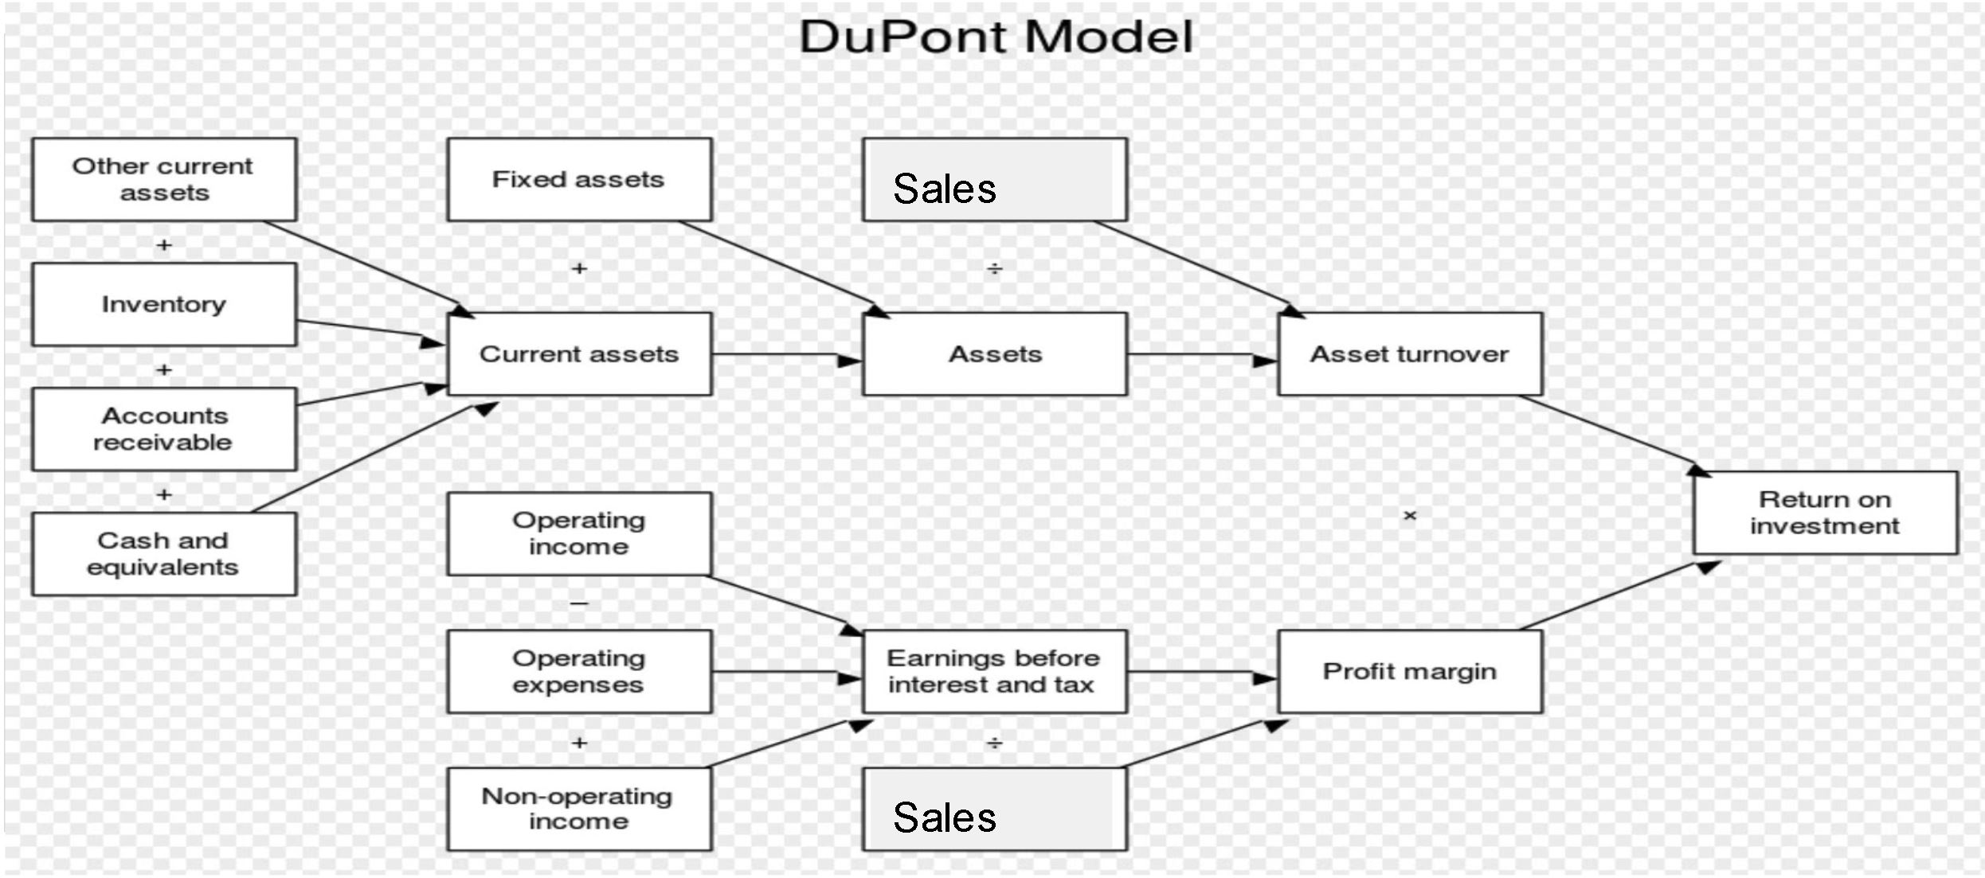
 | 2016 |  |  |  |  |  | 2017

 | Current Assets |  |  | Earnings Before Interest and Taxes (EBIT) |  |  | Current Assets |  |  | Earnings Before Interest and Taxes (EBIT)

 | Items | Amount |  | items | Amount |  | Items | Amount |  | items | Amount
 | Other Current Assets | $441.00 |  | Sales | $15,195.00 |  | Other Current Assets | $403.00 |  | Sales | $15,454.00
 | Inventory | $1,171.00 |  | Non-Operating Income | $1,032.00 |  | Inventory | $1,221.00 |  | Non-Operating Income | $920.00
 | Accounts Receivable | $1,411.00 |  | Operating Expenses (-) | $4,974.00 |  | Accounts Receivable | $1,480.00 |  | Operating Expenses (-) | $5,573.00
 | Cash and Equivalents | $1,315.00 |  | Total Earnings Before Interest and Taxes (EBIT) | $3,738.00 |  | Cash and Equivalents | $1,535.00 |  | Total Earnings Before Interest and Taxes (EBIT) | $3,487.00
 | Current Assets | $4,338.00 |  |  |  |  | Current Assets | $4,639.00

 | Total Assets (Current + Fixed Assets) |  |  | Sales, Net Income & ROE |  |  | Total Assets (Current + Fixed Assets) |  |  | Sales, Net Income & ROE

 | Items | Amount |  | Items | Amount |  | Items | Amount |  | Items | Amount
 | Current Assets | $4,338.00 |  | Sales | $15,195.00 |  | Current Assets | $4,639.00 |  | Sales | $15,454.00
 | Fixed Assets | $8,479.00 |  | Net Income | $2,441.00 |  | Fixed Assets | $8,037.00 |  | Net Income | $2,024.00
 | Total Assets | $12,123.00 |  | ROE | 713.12 |  | Total Assets | $12,676.00 |  | ROE | 52.16

 | Asset Turnover: Sales / Total Avg.Assets |  |  | Profit Margin: Net Income / Sales |  |  | Asset Turnover: Sales / Total Avg.Assets |  |  | Profit Margin: Net Income / Sales

 | Items | Amount |  | Items | Amount |  | Items | Amount |  | Items | Amount
 | Sales | $15,195.00 |  | Net Income | $2,441.00 |  | Sales | $15,454.00 |  | Net Income | $2,024.00
 | Total Average Assets | $12,399.50 |  | Sales | $15,195.00 |  | Total Average Assets | $12,418.50 |  | Sales | $15,454.00
 | Asset Turnover: Sales /Total Avg. Assets | 1.23 |  | Profit Margin: Net Income/Sales | 16.06% |  | Asset Turnover: Sales /Total Avg. Assets | 1.24 |  | Profit Margin: Net Income /Sales | 13.10%

 | Return on Asset (ROA): Asset Turnover X Profit margin |  |  | Assets = Liabilities + Equity |  |  | Return on Asset (ROA): Asset Turnover X Profit margin |  |  | Assets = Liabilities + Equity

 | Item | Amount |  | Item | Amount |  | Item | Amount |  | Item | Amount
 | Asset Turnover | 122.55% |  | Liability | $12,106.00 |  | Asset Turnover | 124.44% |  | Liability | $12,433.00
 | Profit Margin | 16.06% |  | Equity | $17.00 |  | Profit Margin | 13.10% |  | Equity | $243.00
 | ROA | 0.20 |  | Total (Assets) | $12,123.00 |  | ROA | 0.16 |  | Total (Assets) | $12,676.00

 | DuPont Components | Current Assets | EBIT | Total Assets | Operating Income | Asset Turnover | Profit Margin | ROA | ROE
 | 2016 | $4,338.00 | $3,738.00 | $12,123.00 | $4,149.00 | 122.55% | 16.06% | 19.69% | 713.12
 | 2017 | $4,639.00 | $3,487.00 | $12,676.00 | $3,707.00 | 124.44% | 13.10% | 16.30% | 52.16

 | DuPont Components (%) changes | Current Assets | EBIT | Total Assets | Operating Income | Asset Turnover | Profit Margin | ROA | ROE
 | 2016-2017 | 6.94% | -6.71% | 4.56% | -10.65% | -1.55% | -18.47% | -17.21% | -92.68%

